Cover Sheet
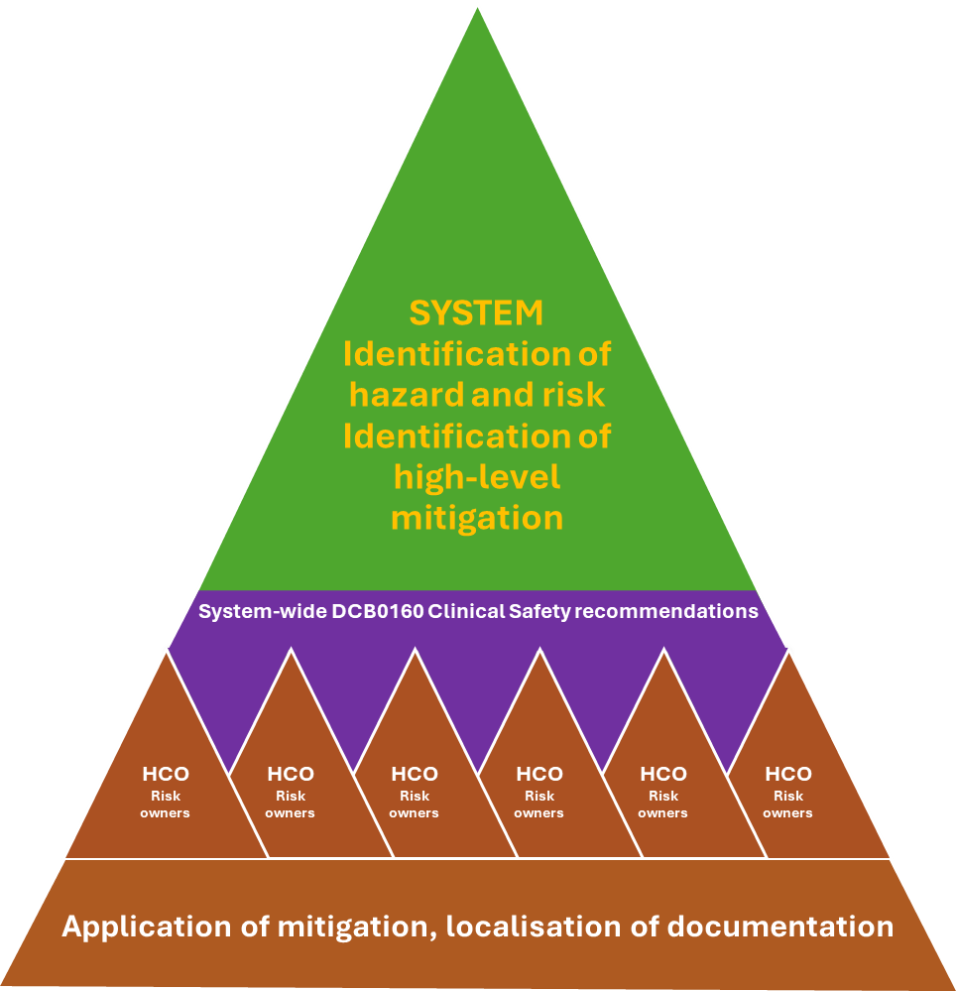
NHSE SW Region Clinical Risk Management Pilot Approach for primary care AVT deployments

Every organisation is accountable for the clinical safety of the software it uses. This means that each practice must be able to provide evidence that they have thought about risk and are using the software safely.

This AVT approach is based on the System-level Approach to Clinical Risk Management developed by the South West Region, and approved by the constituent ICBs. It has been produced to support practices and PCNs who wish to ensure that they deploy and use AVT Software safely and in compliance with DCB 0160.

Please remember that neither the SW Region nor ICBs can be accountable for locally-procured and assured software and cannot automatically endorse outputs of this approach. However, the SW Region will support practices who choose to use this approach with advice and guidance from the CRM team.
The approach does not require that each practice has to undertake its own clinical safety activities. It is designed to allow a number of organisations to undertake a system-level approach, provided that they are deploying the software for the same intended use and that they enter into an agreement to work as a system.

The approach does require that you undertake a pilot

It consists of a series of six templates, and information on known AVT hazards, to help you capture and communicate the evidence you need to demonstrate safe practice.

Fields are not mandatory. You can adapt every template to suit your particular needs. What you are aiming to do is to clearly communicate what the software does, what you are using it for and how you are using it safely.

Your audience is your patients, your colleagues and bodies such as CQC |  | The South West System-level Approach to Clinical Risk Management

Owner: | NHSE SW Region
Authors: | Maggie Lay, Stephen Roche
Date of release: | 03.07.2025
Version number: | 1.2
© Maggie Lay, Stephen Roche, 2025, NHSE/NHS SCW. All rights reserved. This model and associated materials are made available for non-commercial use by NHS organisations and public sector bodies in England. You may reproduce and adapt these materials for internal purposes, provided that: - You credit the original author as follows: - “Based on the NHSE SW Regional Clinical Risk Management Pilot Approach for primary care, developed by Maggie Lay and Stephen Roche, 2025.” - You do not charge any fee for access or resale of this material. Any commercial use, including but not limited to reproduction, adaptation, or distribution for profit, consultancy services, or inclusion in commercial software products, is prohibited without prior written permission. To request permission for commercial use, contact england.swaicollaboration@nhs.net.

Process
